CAPEX (2)
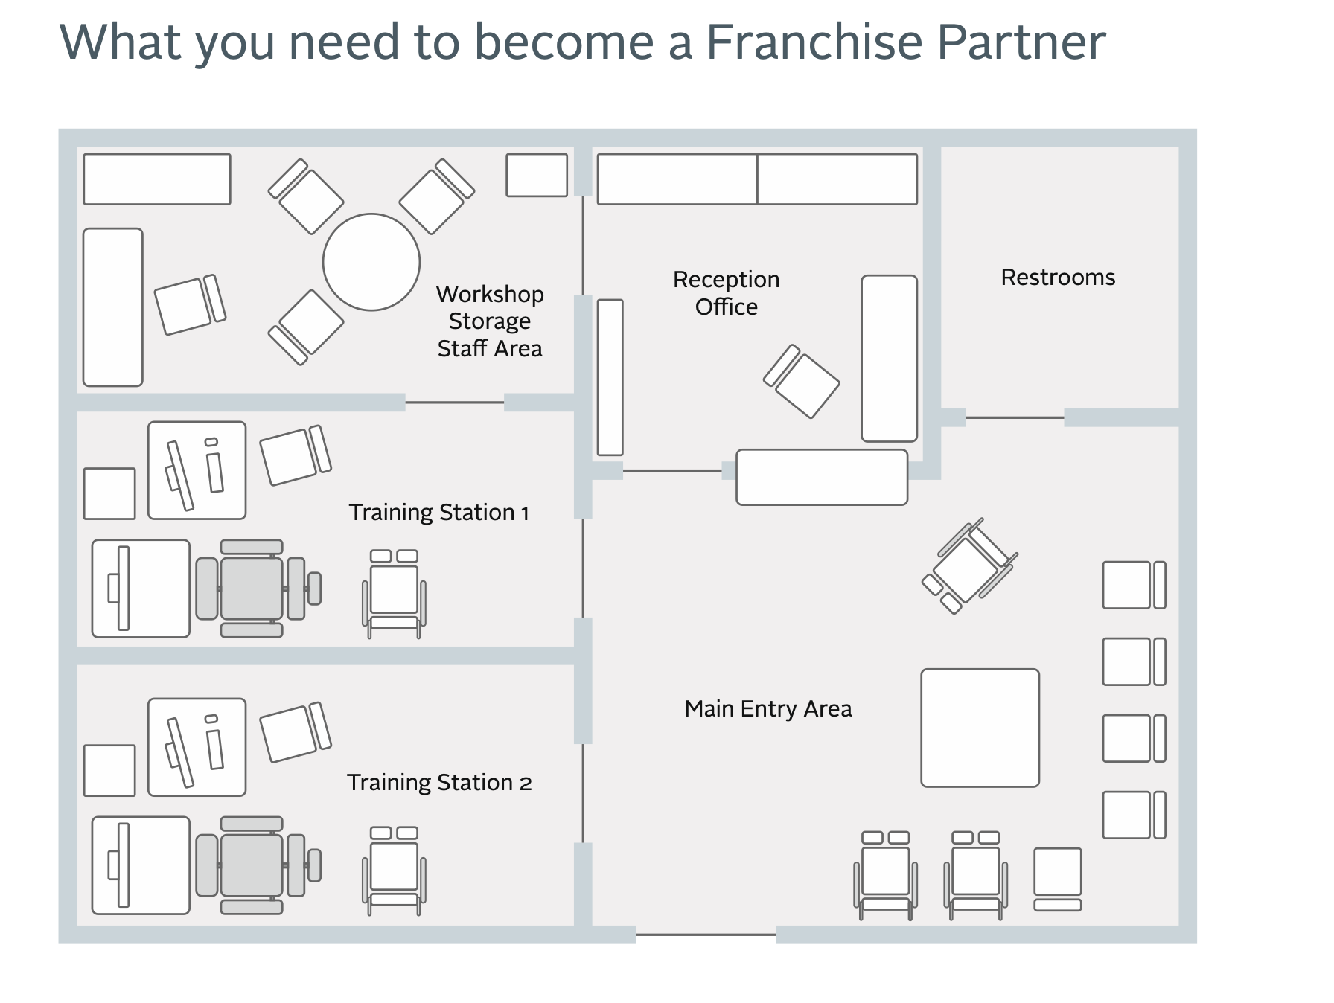
Item Description ( CAPITAL EXPENDITURE )
 |  |  |  |  |  |  | 1
Office Infrastructure | Nos | Unit | Rate/unit | Amount | Useful years | Depreciation / year | Salvage value
Laptops & PC | 3 |  | 40000 | 120000 | 5 | 24000
Printers | 2 |  | 5000 | 10000 | 5 | 2000
Office Furniture |  |  |  | 440000 | 5 | 88000
3 seater sofa | 2 |  | 30000 | 60000
Recliner | 2 |  | 30000 | 60000
Tables | 4 |  | 30000 | 120000
Miscellaneous |  |  |  | 200000

Stationary |  |  |  | 50000 | 5 | 10000
Cafeteria |  |  |  | 20000 | 5 | 4000

EEG device | 2 |  | 100000 | 200000 | 3 | 66667 |  | 8 years
Exo skeleton | 2 |  | 10000 | 20000 | 3 | 6667

Total |  |  |  | ₹ 860,000 |  | ₹ 201,333 | ₹ 73,333

